PivotTable
Average of Income | Column Labels
Row Labels | No | Yes | Grand Total
Female | 54885 | 59259 | 56862
Male | 59432 | 61301 | 60201
Grand Total | 57492 | 60346 | 58717

Customer Commute

Count of Purchased Bike | Column Labels
Row Labels | No | Yes | Grand Total
0-1 Miles | 166 | 200 | 366
10+ Miles | 78 | 33 | 111
1-2 Miles | 92 | 77 | 169
2-5 Miles | 67 | 95 | 162
5-10 Miles | 116 | 76 | 192
Grand Total | 519 | 481 | 1000

Customer Age Brackets
Count of Purchased Bike | Column Labels
Row Labels | No | Yes | Grand Total
Adolescent | 71 | 39 | 110
Middle Age | 331 | 388 | 719
Old | 117 | 54 | 171
Grand Total | 519 | 481 | 1000

dashboard
Bike Sales Dashboaed

 | No | Yes
Female | 54885 | 59259
Male | 59432 | 61301
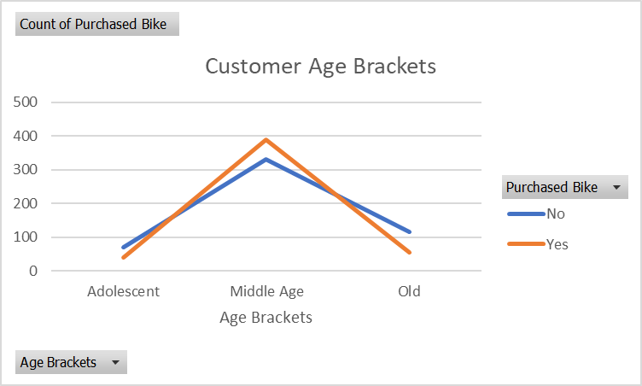

 | No | Yes
0-1 Miles | 166 | 200
10+ Miles | 78 | 33
1-2 Miles | 92 | 77
2-5 Miles | 67 | 95
5-10 Miles | 116 | 76

